Goldair Handling
Goldair Handling Contact Directory
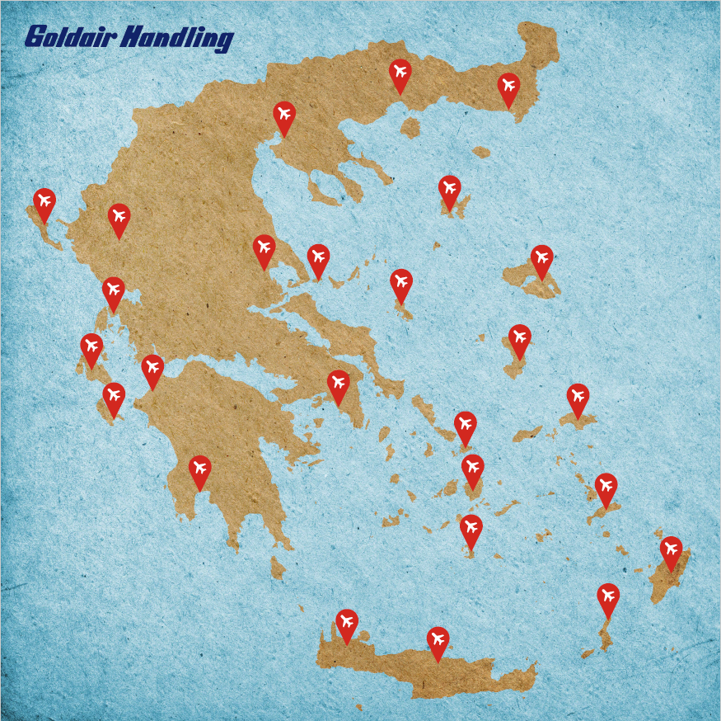
Goldair Handling network in Greece consists of 25 active stations: AOK, ATH, AXD, CHQ, CFU, EFL, GPA, HER, JKH, JMK, JTR, JSI, KGS, KLX, KVA, MJT, PAS, PVK, RHO, SKG, SKU, SMI, VOL, ZTH, IOA (PRM services) and 1 inactive station: LXS. Τhe 26 stations are divided into 4 Regions under the responsibility of the Ground Operations Director Mr. Christos Pantazis, as per following scheme:
Region A: SKG, CHQ, CFU, EFL, ZTH, KVA, PVK
Regional Manager : Giota Mystridou (based in SKG)
Region B: RHO, KGS, JMK, JTR, JSI, MJT, SMI
Regional Manager : Eleftherios Kastanakis (based in HER)
Region C: HER, JKH, PAS, AXD, KLX, AOK, VOL, SKU, GPA, IOA, LXS
Regional Manager : Michael Tsoronis
Region D: ATH
Operations Manager : Kostas Athanaileas
Ground Operations Department also consists of the following key persons and roles:
Dimitra Christofilakou - Ground Operations Product and Procedures Manager
Andreas Mavrodis - Ground Operations Optimization Manager.
Dionysia Akovitioti - Regional Assistant Operations Manager (Region C)
Nektaria Chatzigianni - Ground Operations Administration Officer *Click on the text for HDQ contact details
KVA
AXD
SKG

CFU
LXS
IOA
VOL
JSI
MJT
PVK
SKU
JKH
EFL
GPA
ATH
SMI
ZTH
JMK
KLX
PAS
KGS

JTR
RHO

CHQ
AOK
HER
*Click on station for contact details

